profile
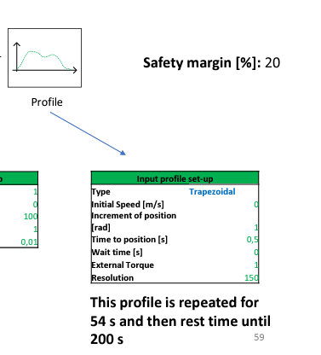

 |  |  | profile kinematics |  |  | Profile dynamics
 |  |  | speed is our input but for simplicity we plot acceleration first by hand and then deduce everything else
input | index | time | acceleration [rad/s2] | speed[rad/s] | position [rads] | torque [N/m]
 | 0 | 0.00000000 | 18 | 0.0000 | 0.0000 | 1
 | 1 | 0.00333333 | 18 | 0.0600 | 0.0003 | 1
 | 2 | 0.00666667 | 18 | 0.1200 | 0.0008 | 1
 | 3 | 0.01000000 | 18 | 0.1800 | 0.0015 | 1
 | 4 | 0.01333333 | 18 | 0.2400 | 0.0024 | 1
 | 5 | 0.01666667 | 18 | 0.3000 | 0.0035 | 1
 | 6 | 0.02000000 | 18 | 0.3600 | 0.0048 | 1
 | 7 | 0.02333333 | 18 | 0.4200 | 0.0063 | 1
 | 8 | 0.02666667 | 18 | 0.4800 | 0.0080 | 1
 | 9 | 0.03000000 | 18 | 0.5400 | 0.0099 | 1
 | 10 | 0.03333333 | 18 | 0.6000 | 0.0120 | 1
 | 11 | 0.03666667 | 18 | 0.6600 | 0.0143 | 1
 | 12 | 0.04000000 | 18 | 0.7200 | 0.0168 | 1
resolution [points] | 13 | 0.04333333 | 18 | 0.7800 | 0.0195 | 1
150.000 | 14 | 0.04666667 | 18 | 0.8400 | 0.0224 | 1
max profile time [s] | 15 | 0.05000000 | 18 | 0.9000 | 0.0255 | 1
0.500 | 16 | 0.05333333 | 18 | 0.9600 | 0.0288 | 1
resolutn in time [s] | 17 | 0.05666667 | 18 | 1.0200 | 0.0323 | 1
0.00333333333333333 | 18 | 0.06000000 | 18 | 1.0800 | 0.0360 | 1
 | 19 | 0.06333333 | 18 | 1.1400 | 0.0399 | 1
 | 20 | 0.06666667 | 18 | 1.2000 | 0.0440 | 1
 | 21 | 0.07000000 | 18 | 1.2600 | 0.0483 | 1
 | 22 | 0.07333333 | 18 | 1.3200 | 0.0528 | 1
 | 23 | 0.07666667 | 18 | 1.3800 | 0.0575 | 1
position total increment [rad] | 24 | 0.08000000 | 18 | 1.4400 | 0.0624 | 1
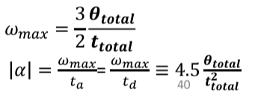
1 | 25 | 0.08333333 | 18 | 1.5000 | 0.0675 | 1
speed max [rad/s] | 26 | 0.08666667 | 18 | 1.5600 | 0.0728 | 1
3 | 27 | 0.09000000 | 18 | 1.6200 | 0.0783 | 1
acceleration max [rad/s2] | 28 | 0.09333333 | 18 | 1.6800 | 0.0840 | 1
18 | 29 | 0.09666667 | 18 | 1.7400 | 0.0899 | 1
 | 30 | 0.10000000 | 18 | 1.8000 | 0.0960 | 1
 | 31 | 0.10333333 | 18 | 1.8600 | 0.1023 | 1
 | 32 | 0.10666667 | 18 | 1.9200 | 0.1088 | 1
 | 33 | 0.11000000 | 18 | 1.9800 | 0.1155 | 1
 | 34 | 0.11333333 | 18 | 2.0400 | 0.1224 | 1
 | 35 | 0.11666667 | 18 | 2.1000 | 0.1295 | 1
 | 36 | 0.12000000 | 18 | 2.1600 | 0.1368 | 1
 | 37 | 0.12333333 | 18 | 2.2200 | 0.1443 | 1
 | 38 | 0.12666667 | 18 | 2.2800 | 0.1520 | 1
 | 39 | 0.13000000 | 18 | 2.3400 | 0.1599 | 1
 | 40 | 0.13333333 | 18 | 2.4000 | 0.1680 | 1
 | 41 | 0.13666667 | 18 | 2.4600 | 0.1763 | 1
 | 42 | 0.14000000 | 18 | 2.5200 | 0.1848 | 1
 | 43 | 0.14333333 | 18 | 2.5800 | 0.1935 | 1
 | 44 | 0.14666667 | 18 | 2.6400 | 0.2024 | 1
 | 45 | 0.15000000 | 18 | 2.7000 | 0.2115 | 1
 | 46 | 0.15333333 | 18 | 2.7600 | 0.2208 | 1
 | 47 | 0.15666667 | 18 | 2.8200 | 0.2303 | 1
 | 48 | 0.16000000 | 18 | 2.8800 | 0.2400 | 1
 | 49 | 0.16333333 | 18 | 2.9400 | 0.2499 | 1
 | 50 | 0.16666667 | 18 | 3.0000 | 0.2600 | 1
 | 51 | 0.17000000 | 0 | 3.0000 | 0.2700 | 1
 | 52 | 0.17333333 | 0 | 3.0000 | 0.2800 | 1
 | 53 | 0.17666667 | 0 | 3.0000 | 0.2900 | 1
 | 54 | 0.18000000 | 0 | 3.0000 | 0.3000 | 1
 | 55 | 0.18333333 | 0 | 3.0000 | 0.3100 | 1
 | 56 | 0.18666667 | 0 | 3.0000 | 0.3200 | 1
 | 57 | 0.19000000 | 0 | 3.0000 | 0.3300 | 1
 | 58 | 0.19333333 | 0 | 3.0000 | 0.3400 | 1
 | 59 | 0.19666667 | 0 | 3.0000 | 0.3500 | 1
 | 60 | 0.20000000 | 0 | 3.0000 | 0.3600 | 1
 | 61 | 0.20333333 | 0 | 3.0000 | 0.3700 | 1
 | 62 | 0.20666667 | 0 | 3.0000 | 0.3800 | 1
 | 63 | 0.21000000 | 0 | 3.0000 | 0.3900 | 1
 | 64 | 0.21333333 | 0 | 3.0000 | 0.4000 | 1
 | 65 | 0.21666667 | 0 | 3.0000 | 0.4100 | 1
 | 66 | 0.22000000 | 0 | 3.0000 | 0.4200 | 1
 | 67 | 0.22333333 | 0 | 3.0000 | 0.4300 | 1
 | 68 | 0.22666667 | 0 | 3.0000 | 0.4400 | 1
 | 69 | 0.23000000 | 0 | 3.0000 | 0.4500 | 1
 | 70 | 0.23333333 | 0 | 3.0000 | 0.4600 | 1
 | 71 | 0.23666667 | 0 | 3.0000 | 0.4700 | 1
 | 72 | 0.24000000 | 0 | 3.0000 | 0.4800 | 1
 | 73 | 0.24333333 | 0 | 3.0000 | 0.4900 | 1
 | 74 | 0.24666667 | 0 | 3.0000 | 0.5000 | 1
 | 75 | 0.25000000 | 0 | 3.0000 | 0.5100 | 1
 | 76 | 0.25333333 | 0 | 3.0000 | 0.5200 | 1
 | 77 | 0.25666667 | 0 | 3.0000 | 0.5300 | 1
 | 78 | 0.26000000 | 0 | 3.0000 | 0.5400 | 1
 | 79 | 0.26333333 | 0 | 3.0000 | 0.5500 | 1
 | 80 | 0.26666667 | 0 | 3.0000 | 0.5600 | 1
 | 81 | 0.27000000 | 0 | 3.0000 | 0.5700 | 1
 | 82 | 0.27333333 | 0 | 3.0000 | 0.5800 | 1
 | 83 | 0.27666667 | 0 | 3.0000 | 0.5900 | 1
 | 84 | 0.28000000 | 0 | 3.0000 | 0.6000 | 1
 | 85 | 0.28333333 | 0 | 3.0000 | 0.6100 | 1
 | 86 | 0.28666667 | 0 | 3.0000 | 0.6200 | 1
 | 87 | 0.29000000 | 0 | 3.0000 | 0.6300 | 1
 | 88 | 0.29333333 | 0 | 3.0000 | 0.6400 | 1
 | 89 | 0.29666667 | 0 | 3.0000 | 0.6500 | 1
 | 90 | 0.30000000 | 0 | 3.0000 | 0.6600 | 1
 | 91 | 0.30333333 | 0 | 3.0000 | 0.6700 | 1
 | 92 | 0.30666667 | 0 | 3.0000 | 0.6800 | 1
 | 93 | 0.31000000 | 0 | 3.0000 | 0.6900 | 1
 | 94 | 0.31333333 | 0 | 3.0000 | 0.7000 | 1
 | 95 | 0.31666667 | 0 | 3.0000 | 0.7100 | 1
 | 96 | 0.32000000 | 0 | 3.0000 | 0.7200 | 1
 | 97 | 0.32333333 | 0 | 3.0000 | 0.7300 | 1
 | 98 | 0.32666667 | 0 | 3.0000 | 0.7400 | 1
 | 99 | 0.33000000 | 0 | 3.0000 | 0.7500 | 1
 | 100 | 0.33333333 | 0 | 3.0000 | 0.7600 | 1
 | 101 | 0.33666667 | 0 | 3.0000 | 0.7700 | 1
 | 102 | 0.34000000 | -18 | 2.9400 | 0.7797 | 1
 | 103 | 0.34333333 | -18 | 2.8800 | 0.7892 | 1
 | 104 | 0.34666667 | -18 | 2.8200 | 0.7985 | 1
 | 105 | 0.35000000 | -18 | 2.7600 | 0.8076 | 1
 | 106 | 0.35333333 | -18 | 2.7000 | 0.8165 | 1
 | 107 | 0.35666667 | -18 | 2.6400 | 0.8252 | 1
 | 108 | 0.36000000 | -18 | 2.5800 | 0.8337 | 1
 | 109 | 0.36333333 | -18 | 2.5200 | 0.8420 | 1
 | 110 | 0.36666667 | -18 | 2.4600 | 0.8501 | 1
 | 111 | 0.37000000 | -18 | 2.4000 | 0.8580 | 1
 | 112 | 0.37333333 | -18 | 2.3400 | 0.8657 | 1
 | 113 | 0.37666667 | -18 | 2.2800 | 0.8732 | 1
 | 114 | 0.38000000 | -18 | 2.2200 | 0.8805 | 1
 | 115 | 0.38333333 | -18 | 2.1600 | 0.8876 | 1
 | 116 | 0.38666667 | -18 | 2.1000 | 0.8945 | 1
 | 117 | 0.39000000 | -18 | 2.0400 | 0.9012 | 1
 | 118 | 0.39333333 | -18 | 1.9800 | 0.9077 | 1
 | 119 | 0.39666667 | -18 | 1.9200 | 0.9140 | 1
 | 120 | 0.40000000 | -18 | 1.8600 | 0.9201 | 1
 | 121 | 0.40333333 | -18 | 1.8000 | 0.9260 | 1
 | 122 | 0.40666667 | -18 | 1.7400 | 0.9317 | 1
 | 123 | 0.41000000 | -18 | 1.6800 | 0.9372 | 1
 | 124 | 0.41333333 | -18 | 1.6200 | 0.9425 | 1
 | 125 | 0.41666667 | -18 | 1.5600 | 0.9476 | 1
 | 126 | 0.42000000 | -18 | 1.5000 | 0.9525 | 1
 | 127 | 0.42333333 | -18 | 1.4400 | 0.9572 | 1
 | 128 | 0.42666667 | -18 | 1.3800 | 0.9617 | 1
 | 129 | 0.43000000 | -18 | 1.3200 | 0.9660 | 1
 | 130 | 0.43333333 | -18 | 1.2600 | 0.9701 | 1
 | 131 | 0.43666667 | -18 | 1.2000 | 0.9740 | 1
 | 132 | 0.44000000 | -18 | 1.1400 | 0.9777 | 1
 | 133 | 0.44333333 | -18 | 1.0800 | 0.9812 | 1
 | 134 | 0.44666667 | -18 | 1.0200 | 0.9845 | 1
 | 135 | 0.45000000 | -18 | 0.9600 | 0.9876 | 1
 | 136 | 0.45333333 | -18 | 0.9000 | 0.9905 | 1
 | 137 | 0.45666667 | -18 | 0.8400 | 0.9932 | 1
 | 138 | 0.46000000 | -18 | 0.7800 | 0.9957 | 1
 | 139 | 0.46333333 | -18 | 0.7200 | 0.9980 | 1
 | 140 | 0.46666667 | -18 | 0.6600 | 1.0001 | 1
 | 141 | 0.47000000 | -18 | 0.6000 | 1.0020 | 1
 | 142 | 0.47333333 | -18 | 0.5400 | 1.0037 | 1
 | 143 | 0.47666667 | -18 | 0.4800 | 1.0052 | 1
 | 144 | 0.48000000 | -18 | 0.4200 | 1.0065 | 1
 | 145 | 0.48333333 | -18 | 0.3600 | 1.0076 | 1
 | 146 | 0.48666667 | -18 | 0.3000 | 1.0085 | 1
 | 147 | 0.49000000 | -18 | 0.2400 | 1.0092 | 1
 | 148 | 0.49333333 | -18 | 0.1800 | 1.0097 | 1
 | 149 | 0.49666667 | -18 | 0.1200 | 1.0100 | 1
 | 150 | 0.50000000 | -18 | 0.0600 | 1.0101

cylinder load
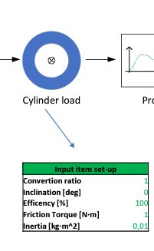

 | Torque | acceleration [rad/s2] | speed[rad/s] | position [rads]

J inertia[km/m2] | -1.0006
0.01 | -1.0006
 | -1.0006
Kp | -1.0006
1 | -1.0006
Friction[Nm] | -1.0006
1 | -1.0006
 | -1.0006
 | -1.0006
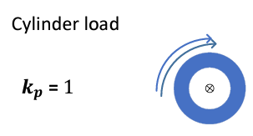
 | -1.0006
 | -1.0006
 | -1.0006
 | -1.0006
 | -1.0006
 | -1.0006
 | -1.0006
 | -1.0006
 | -1.0006
 | -1.0006
 | -1.0006
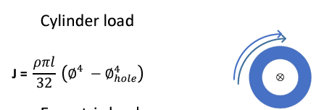
 | -1.0006
 | -1.0006
 | -1.0006
 | -1.0006
 | -1.0006
 | -1.0006
 | -1.0006
 | -1.0006
 | -1.0006
 | -1.0006
 | -1.0006
 | -1.0006
 | -1.0006
 | -1.0006
 | -1.0006
 | -1.0006
 | -1.0006
 | -1.0006
 | -1.0006
 | -1.0006
 | -1.0006
 | -1.0006
 | -1.0006
 | -1.0006
 | -1.0006
 | -1.0006
 | -1.0006
 | -1.0006
 | -1.0006
 | -1.0006
 | -1
 | -1
 | -1
 | -1
 | -1
 | -1
 | -1
 | -1
 | -1
 | -1
 | -1
 | -1
 | -1
 | -1
 | -1
 | -1
 | -1
 | -1
 | -1
 | -1
 | -1
 | -1
 | -1
 | -1
 | -1
 | -1
 | -1
 | -1
 | -1
 | -1
 | -1
 | -1
 | -1
 | -1
 | -1
 | -1
 | -1
 | -1
 | -1
 | -1
 | -1
 | -1
 | -1
 | -1
 | -1
 | -1
 | -1
 | -1
 | -1
 | -1
 | -1
 | -0.9994
 | -0.9994
 | -0.9994
 | -0.9994
 | -0.9994
 | -0.9994
 | -0.9994
 | -0.9994
 | -0.9994
 | -0.9994
 | -0.9994
 | -0.9994
 | -0.9994
 | -0.9994
 | -0.9994
 | -0.9994
 | -0.9994
 | -0.9994
 | -0.9994
 | -0.9994
 | -0.9994
 | -0.9994
 | -0.9994
 | -0.9994
 | -0.9994
 | -0.9994
 | -0.9994
 | -0.9994
 | -0.9994
 | -0.9994
 | -0.9994
 | -0.9994
 | -0.9994
 | -0.9994
 | -0.9994
 | -0.9994
 | -0.9994
 | -0.9994
 | -0.9994
 | -0.9994
 | -0.9994
 | -0.9994
 | -0.9994
 | -0.9994
 | -0.9994
 | -0.9994
 | -0.9994
 | -0.9994
 | -0.9994

gear reducer
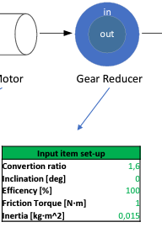

result
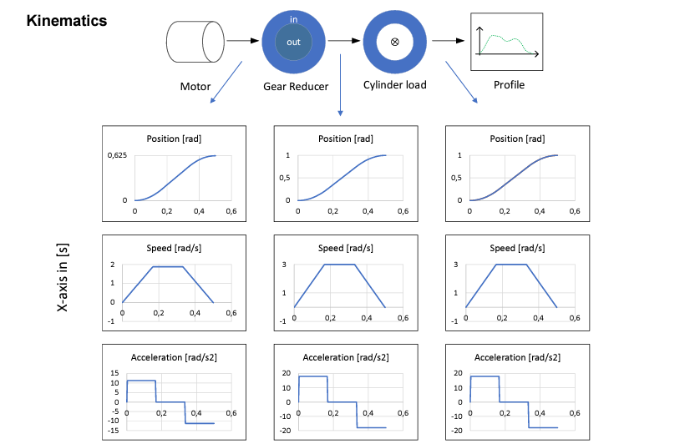
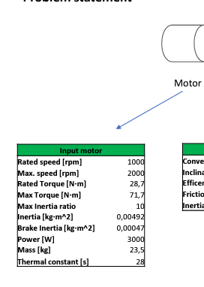

 | speed[rad/s]
 | 0.0000
 | 0.0600
 | 0.1200
 | 0.1800
 | 0.2400
 | 0.3000
 | 0.3600
 | 0.4200
 | 0.4800
 | 0.5400
 | 0.6000
 | 0.6600
 | 0.7200
 | 0.7800
 | 0.8400
 | 0.9000
 | 0.9600
 | 1.0200
 | 1.0800
 | 1.1400
 | 1.2000
 | 1.2600
 | 1.3200
 | 1.3800
 | 1.4400
 | 1.5000
 | 1.5600
 | 1.6200
 | 1.6800
 | 1.7400
 | 1.8000
 | 1.8600
 | 1.9200
 | 1.9800
 | 2.0400
 | 2.1000
 | 2.1600
 | 2.2200
 | 2.2800
 | 2.3400
 | 2.4000
 | 2.4600
 | 2.5200
 | 2.5800
 | 2.6400
 | 2.7000
 | 2.7600
 | 2.8200
 | 2.8800
 | 2.9400
...

 | acceleration [rad/s2]
 | 18
 | 18
 | 18
 | 18
 | 18
 | 18
 | 18
 | 18
 | 18
 | 18
 | 18
 | 18
 | 18
 | 18
 | 18
 | 18
 | 18
 | 18
 | 18
 | 18
 | 18
 | 18
 | 18
 | 18
 | 18
 | 18
 | 18
 | 18
 | 18
 | 18
 | 18
 | 18
 | 18
 | 18
 | 18
 | 18
 | 18
 | 18
 | 18
 | 18
 | 18
 | 18
 | 18
 | 18
 | 18
 | 18
 | 18
 | 18
 | 18
 | 18
...

 | position [rads]
 | 0.0000
 | 0.0003
 | 0.0008
 | 0.0015
 | 0.0024
 | 0.0035
 | 0.0048
 | 0.0063
 | 0.0080
 | 0.0099
 | 0.0120
 | 0.0143
 | 0.0168
 | 0.0195
 | 0.0224
 | 0.0255
 | 0.0288
 | 0.0323
 | 0.0360
 | 0.0399
 | 0.0440
 | 0.0483
 | 0.0528
 | 0.0575
 | 0.0624
 | 0.0675
 | 0.0728
 | 0.0783
 | 0.0840
 | 0.0899
 | 0.0960
 | 0.1023
 | 0.1088
 | 0.1155
 | 0.1224
 | 0.1295
 | 0.1368
 | 0.1443
 | 0.1520
 | 0.1599
 | 0.1680
 | 0.1763
 | 0.1848
 | 0.1935
 | 0.2024
 | 0.2115
 | 0.2208
 | 0.2303
 | 0.2400
 | 0.2499
...

